TopEnd Routes
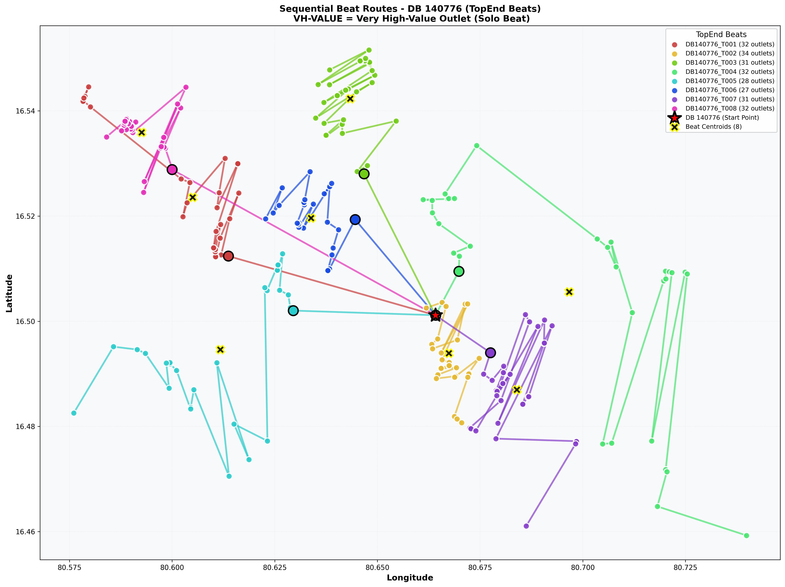
DB_Code | Classification | Image | Size
140776 | TopEnd | Sequential_Route_DB_140776_TopEnd.png | 1230.5 KB

Normal Routes
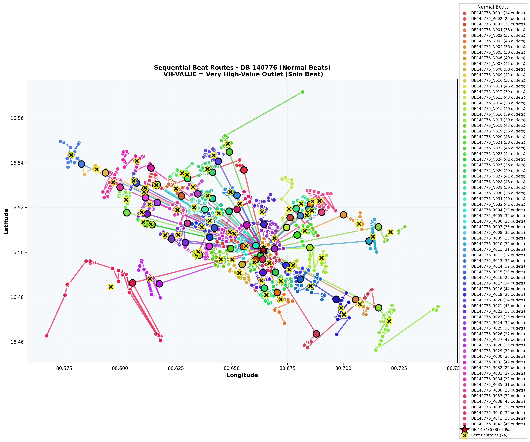
DB_Code | Classification | Image | Size
140776 | Normal | Sequential_Route_DB_140776_Normal.png | 2937.2 KB

